Output
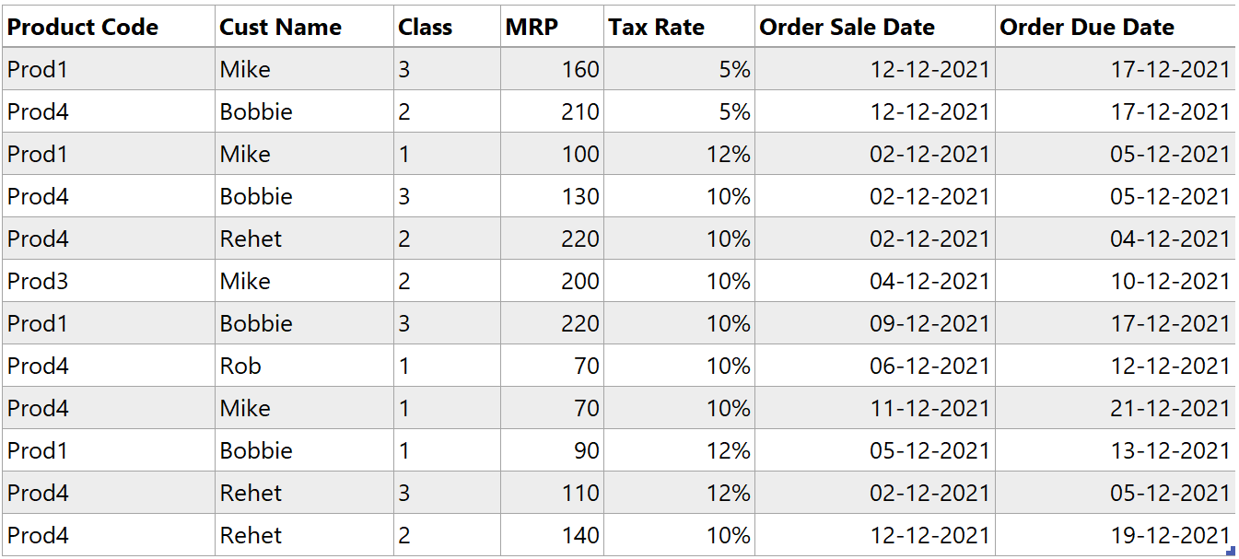
Product Code | Product Cust Name | Class | MRP | Tax Rate | Order Sale Date | Order Due Date
Prod1 | Mike | 3 | 160 | 0.05 | 2021-12-12 | 2021-12-17
Prod4 | Bobbie | 2 | 210 | 0.05 | 2021-12-12 | 2021-12-17
Prod1 | Mike | 1 | 100 | 0.12 | 2021-12-02 | 2021-12-05
Prod4 | Bobbie | 3 | 130 | 0.1 | 2021-12-02 | 2021-12-05
Prod4 | Rehet | 2 | 220 | 0.1 | 2021-12-02 | 2021-12-04
Prod3 | Mike | 2 | 200 | 0.1 | 2021-12-04 | 2021-12-10
Prod1 | Bobbie | 3 | 220 | 0.1 | 2021-12-09 | 2021-12-17
Prod4 | Rob | 1 | 70 | 0.1 | 2021-12-06 | 2021-12-12
Prod4 | Mike | 1 | 70 | 0.1 | 2021-12-11 | 2021-12-21
Prod1 | Bobbie | 1 | 90 | 0.12 | 2021-12-05 | 2021-12-13
Prod4 | Rehet | 3 | 110 | 0.12 | 2021-12-02 | 2021-12-05
Prod4 | Rehet | 2 | 140 | 0.1 | 2021-12-12 | 2021-12-19

